Summary
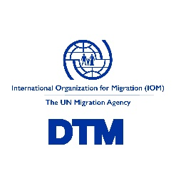

Arrivals to Europe (01 January - 31 March) - Q1 2021
Country | By Sea | By Land | Total
Bulgaria | - | 719 | 719
Cyprus | 112 | 1,644 | 1,756
Greece | 804 | 191 | 995
Italy | 7,419 | - | 7,419
Malta | 65 | - | 65
Spain | 6144 | 374 | 6518
TOTAL | 14,544 | 2,928 | 17,472

Data on the presence of migrants and asylum seekers as of end of Q1 2021
Country or Area | Total
Bosnia and Herzegovina*** | 4,850
Bulgaria | 746
Croatia** | 243
Cyprus | 1,848
Greece* | 70,163
Italy | 77,074
Montenegro | 101
North Macedonia | 51
Romania | 729
Serbia | 4,435
Slovenia** | 143
Kosovo**** | 129

*Excludes self-settled migrants and asylum seekers.
**Asylum seekers only.
***Excludes migrants outside transit reception centers
****References to Kosovo shall be understood to be in the context of United Nations Security Council resolution 1244 (1999).

